TestSummary
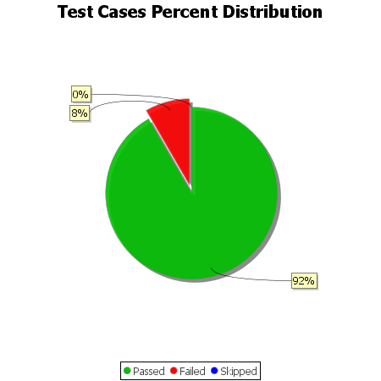
Total Test Cases | 12
Test Cases Passed | 11
Test Cases Failed | 1
Test Cases Skipped | 0

